Sheet1
IMAGE | STOCK CODE | STOCK DESC | STOCK DESC 2 | FREE STOCK | RRP | Trade Price | EAN | COMMODITY CODE | COUNTRY OF ORIGIN
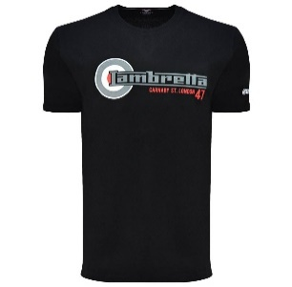 | XA887-SS4355-R-1XL | Originals Tee-Black- | 1XL | 28 | £25.00 | £8.10 | 5056168638055 | 62052000 | BD
 | XA889-SS4355-R-1XL | Originals Tee-Black-Long | 1XL | 17 | £25.00 | £8.10 | 5056168638147 | 62052000 | BD
 | XA889-SS4355-R-XL | Originals Tee-Black-Long | XL | 1 | £25.00 | £8.10 | 5056168638130 | 62052000 | BD

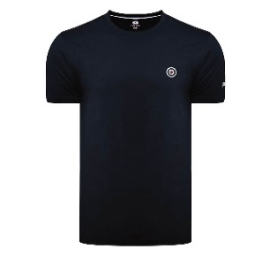 | XA878-SS5339-R-1XL | Chest Logo Tee-Navy- | 1XL | 33 | £25.00 | £7.75 | 5056168637874 | 62052000 | BD
 | XA878-SS5339-R-2XL | Chest Logo Tee-Navy- | 2XL | 17 | £25.00 | £7.75 | 5056168637881 | 62052000 | BD
 | XA878-SS5339-R-3XL | Chest Logo Tee-Navy- | 3XL | 9 | £25.00 | £7.75 | 5056168637898 | 62052000 | BD
 | XA878-SS5339-R-XL | Chest Logo Tee-Navy- | XL | 4 | £25.00 | £7.75 | 5056168637867 | 62052000 | BD
 | XA879-SS5339-L-1XL | Chest Logo Tee-Navy-Long | 1XL | 43 | £25.00 | £7.75 | 5056168637966 | 62052000 | BD
 | XA879-SS5339-L-2XL | Chest Logo Tee-Navy-Long | 2XL | 60 | £25.00 | £7.75 | 5056168637973 | 62052000 | BD
 | XA879-SS5339-L-3XL | Chest Logo Tee-Navy-Long | 3XL | 88 | £25.00 | £7.75 | 5056168637980 | 62052000 | BD
 | XA879-SS5339-L-L | Chest Logo Tee-Navy-Long | L | 7 | £25.00 | £7.75 | 5056168637942 | 62052000 | BD
 | XA879-SS5339-L-M | Chest Logo Tee-Navy-Long | M | 6 | £25.00 | £7.75 | 5056168637935 | 62052000 | BD
 | XA879-SS5339-L-XL | Chest Logo Tee-Navy-Long | XL | 38 | £25.00 | £7.75 | 5056168637959 | 62052000 | BD

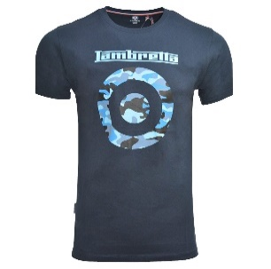 | XA872-SS3860-L-1XL | Camo Target Tee-Navy- | 1XL | 14 | £25.00 | £8.10 | 5056168647224 | 62052000 | BD
 | XA872-SS3860-L-XL | Camo Target Tee-Navy- | XL | 2 | £25.00 | £8.10 | 5056168647217 | 62052000 | BD

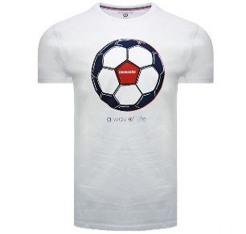 | XA873-SS3806-R-1XL | Football Target Tee-White- | 1XL | 43 | £25.00 | £8.10 | 5056168647309 | 62052000 | BD
 | XA873-SS3806-R-2XL | Football Target Tee-White- | 2XL | 37 | £25.00 | £8.10 | 5056168647316 | 62052000 | BD
 | XA873-SS3806-R-3XL | Football Target Tee-White- | 3XL | 40 | £25.00 | £8.10 | 5056168647323 | 62052000 | BD
 | XA873-SS3806-R-4XL | Football Target Tee-White- | 4XL | 10 | £25.00 | £8.10 | 5056168647330 | 62052000 | BD
 | XA873-SS3806-R-L | Football Target Tee-White- | L | 7 | £25.00 | £8.10 | 5056168647286 | 62052000 | BD
 | XA873-SS3806-R-M | Football Target Tee-White- | M | 1 | £25.00 | £8.10 | 5056168647279 | 62052000 | BD
 | XA873-SS3806-R-XL | Football Target Tee-White- | XL | 23 | £25.00 | £8.10 | 5056168647293 | 62052000 | BD
 | XA875-SS3806-L-1XL | Football Target Tee-White- | 1XL | 24 | £25.00 | £8.10 | 5056168647385 | 62052000 | BD
 | XA875-SS3806-L-2XL | Football Target Tee-White- | 2XL | 15 | £25.00 | £8.10 | 5056168647392 | 62052000 | BD
 | XA875-SS3806-L-3XL | Football Target Tee-White- | 3XL | 58 | £25.00 | £8.10 | 5056168647408 | 62052000 | BD
 | XA875-SS3806-L-L | Football Target Tee-White- | L | 15 | £25.00 | £8.10 | 5056168647361 | 62052000 | BD
 | XA875-SS3806-L-M | Football Target Tee-White- | M | 8 | £25.00 | £8.10 | 5056168647354 | 62052000 | BD
 | XA875-SS3806-L-XL | Football Target Tee-White- | XL | 22 | £25.00 | £8.10 | 5056168647378 | 62052000 | BD

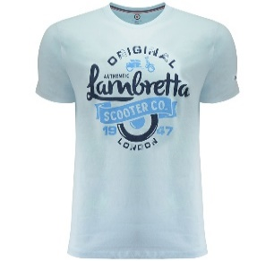 | XA884-SS5444-R-1XL | Scooter Tee-CoolBlue- | 1XL | 37 | £25.00 | £8.10 | 5056168647620 | 62052000 | BD
 | XA884-SS5444-R-L | Scooter Tee-CoolBlue- | L | 3 | £25.00 | £8.10 | 5056168647606 | 62052000 | BD
 | XA884-SS5444-R-XL | Scooter Tee-CoolBlue- | XL | 10 | £25.00 | £8.10 | 5056168647613 | 62052000 | BD
 | XA885-SS5444-L-2XL | Scooter Tee-CoolBlue- | 2XL | 23 | £25.00 | £8.10 | 5056168647712 | 62052000 | BD
 | XA885-SS5444-L-3XL | Scooter Tee-CoolBlue- | 3XL | 9 | £25.00 | £8.10 | 5056168647729 | 62052000 | BD
 | XA885-SS5444-L-L | Scooter Tee-CoolBlue- | L | 1 | £25.00 | £8.10 | 5056168647682 | 62052000 | BD
 | XA885-SS5444-L-M | Scooter Tee-CoolBlue- | M | 4 | £25.00 | £8.10 | 5056168647675 | 62052000 | BD
 | XA885-SS5444-L-XL | Scooter Tee-CoolBlue- | XL | 13 | £25.00 | £8.10 | 5056168647699 | 62052000 | BD

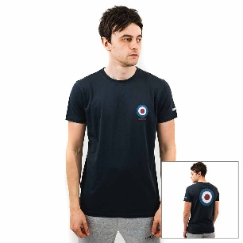 | LB9825-XL | Target Back Print Tee AW21 XL | Navy | 2 | £25.00 | £7.30 | 5056168667239 | 61091000 | BD

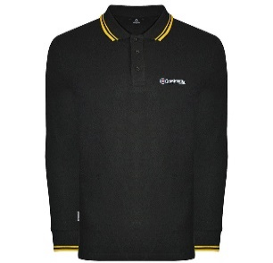 | SS3224-BLK-L-1XL | VY753-Tipped L/S polo Long | Black-Mens-1XL | 1 | £30.00 | £13.95 | 5056168622337 | 62052000 | BD
 | SS3224-BLK-L-2XL | VY753-Tipped L/S polo Long | Black-Mens-2XL | 28 | £30.00 | £13.95 | 5056168622344 | 62052000 | BD
 | SS3224-BLK-L-3XL | VY753-Tipped L/S polo Long | Black-Mens-3XL | 17 | £30.00 | £13.95 | 5056168622351 | 62052000 | BD
 | SS3224-BLK-L-L | VY753-Tipped L/S polo Long | Black-Mens-L | 3 | £30.00 | £13.95 | 5056168622313 | 62052000 | BD
 | SS3224-BLK-L-M | VY753-Tipped L/S polo Long | Black-Mens-M | 1 | £30.00 | £13.95 | 5056168622306 | 62052000 | BD
 | SS3224-BLK-L-XL | VY753-Tipped L/S polo Long | Black-Mens-XL | 13 | £30.00 | £13.95 | 5056168622320 | 62052000 | BD

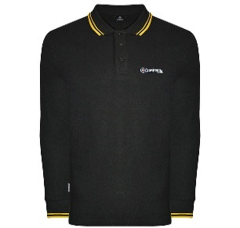
 | SS3224-BLK-R-1XL | VY752-Tipped L/S polo Regular | Black-Mens-1XL | 47 | £30.00 | £13.95 | 5056168622252 | 62052000 | BD
 | SS3224-BLK-R-2XL | VY752-Tipped L/S polo Regular | Black-Mens-2XL | 68 | £30.00 | £13.95 | 5056168622269 | 62052000 | BD
 | SS3224-BLK-R-3XL | VY752-Tipped L/S polo Regular | Black-Mens-3XL | 68 | £30.00 | £13.95 | 5056168622276 | 62052000 | BD
 | SS3224-BLK-R-4XL | VY752-Tipped L/S polo Regular | Black-Mens-4XL | 11 | £30.00 | £13.95 | 5056168622283 | 62052000 | BD
 | SS3224-BLK-R-XL | VY752-Tipped L/S polo Regular | Black-Mens-XL | 1 | £30.00 | £13.95 | 5056168622245 | 62052000 | BD

 |  |  |  | 1030

